BiscuitsConsumed
Biscuit | Day | Score | Comments
Custard Cream | Monday | 4
Bourbon | Tuesday | 4
ginger nut | Wed | 4
digestive | Thursday | 5
Chocolate hob nob | Friday | 4
Fruit Club | Monday | 3
Hint: you'll need set the print area and print titles.
Custard Cream | Tuesday | 3
Jaffa Cake | Wed | 3
Fruit Club | Thursday | 5 | a boost in a time of need
Fruit Club | Friday | 5
Bourbon | Monday | 4
Bourbon | Tuesday | 3
Jaffa Cake | Wed | 3
Chocolate hob nob | Thursday | 3 | you can't beat it
To tabulate the resultes you will eed to select the first three columns before clicking insert /pivot table.
ginger nut | Friday | 3
Chocolate hob nob | Monday | 5
Chocolate hob nob | Tuesday | 3 | not good when dunked
Jaffa Cake | Wed | 3
ginger nut | Thursday | 3
Bourbon | Friday | 5
digestive | Monday | 3
Fruit Club | Tuesday | 5 | choc loveliness
Custard Cream | Wed | 3
digestive | Thursday | 3
Fruit Club | Friday | 4
Bourbon | Monday | 3
ginger nut | Tuesday | 2 | disappointing when dunked
Chocolate hob nob | Wed | 3
digestive | Thursday | 4
Jaffa Cake | Friday | 4
Custard Cream | Monday | 5
Bourbon | Tuesday | 5
Fruit Club | Wed | 5
Chocolate hob nob | Thursday | 5 | Must have these for my next focus group
ginger nut | Friday | 3
Chocolate hob nob | Monday | 4
Custard Cream | Tuesday | 4
Jaffa Cake | Wed | 5 | We will need more of these
Bourbon | Thursday | 5
digestive | Friday | 3
Jaffa Cake | Monday | 4
Jaffa Cake | Tuesday | 4
digestive | Wed | 3
Bourbon | Thursday | 4
ginger nut | Friday | 4
Jaffa Cake | Monday | 5 | no crumbs, no one knows
Fruit Club | Tuesday | 5
digestive | Wed | 4
ginger nut | Thursday | 4
ginger nut | Friday | 4
digestive | Monday | 4
Fruit Club | Tuesday | 5
ginger nut | Wed | 3
Jaffa Cake | Thursday | 3
Custard Cream | Friday | 3
digestive | Monday | 4
Fruit Club | Tuesday | 3
ginger nut | Wed | 5
ginger nut | Thursday | 5 | crispy
Fruit Club | Friday | 4
Jaffa Cake | Monday | 4
Custard Cream | Tuesday | 2 | remind me of a bad buffet
digestive | Wed | 3
digestive | Thursday | 5
Chocolate hob nob | Friday | 4 | it would have been a 5 had it been dark chocolate
Jaffa Cake | Monday | 5
Bourbon | Tuesday | 4
Custard Cream | Wed | 3
Fruit Club | Thursday | 5
ginger nut | Friday | 3

MyShares
 | Price | Number held | Current value | Projected profit based on growth at
 |  |  |  | 3% | 5% | 10%
Blackboard | $14.00 | 10 | $140.00 | $4.20
Instructure (Canvas) | $19.14 | 10 | $191.40
alphabet inc (Google) | $725.00 | 10 | $7,250.00
Microsoft | $50.39 | 10 | $503.90

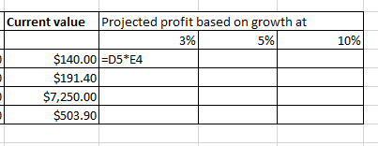
Hint: we want to copy this formula across the empty cells, but before we do it we need to change some of it to give absolute references

Answer to BiscuitsConsumed
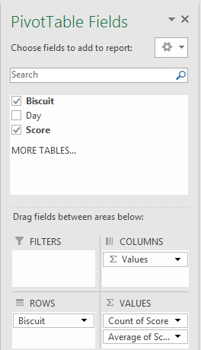

Row Labels | Count of Score | Average of Score2
Bourbon | 9 | 4.11
Chocolate hob nob | 8 | 3.88
Custard Cream | 8 | 3.38
digestive | 11 | 3.73
Fruit Club | 11 | 4.45
ginger nut | 12 | 3.58
Jaffa Cake | 11 | 3.91
(blank)
Grand Total | 70 | 3.87
Drag score to the values column.
You can right click to change between count, sum and average using "Value field Settings"

Insert a pivot table, drag buscuits to the rows area

Answer to MyShares
 | Price | Number held | Current value | Projected profit based on growth at
 |  |  |  | 3% | 5% | 10%
Blackboard | $14.00 | 10 | $140.00 | $4.20 | $7.00 | $14.00
Instructure (Canvas) | $19.14 | 10 | $191.40 | $5.74 | $9.57 | $19.14
alphabet inc (Google) | $725.00 | 10 | $7,250.00 | $217.50 | $362.50 | $725.00
Microsoft | $50.39 | 10 | $503.90 | $15.12 | $25.20 | $50.39

We need to keep columns D and row 4 constant, so all that's needed is to add $ signs to the formula

